Risk Matrix
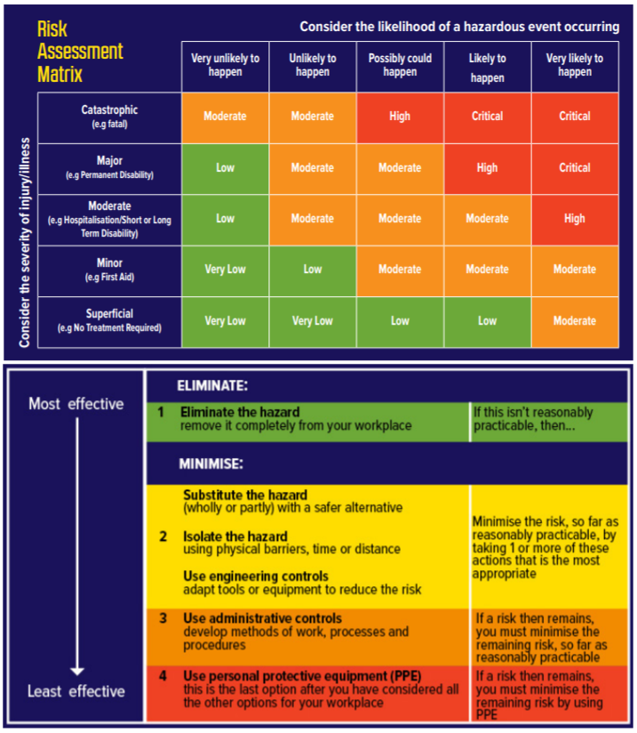
<-- Assessing your risk levels
Where the likelihood and severity intercept is the level of risk

<-- Assessing your control levels

